Inputs
Inputs

1. Traffic Statistics, Analytics & Update Frequency

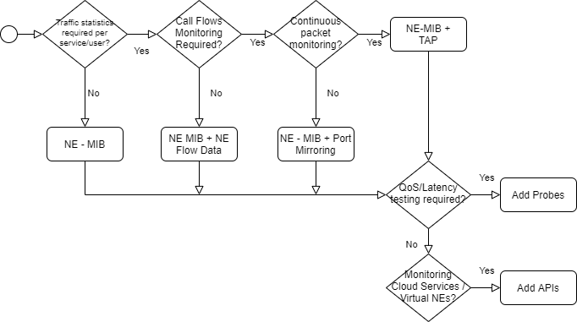
1.1. Are detailed traffic statistics per user/service required?

1.2. Is there a requirement for advanced analytics and/or high frequency update of performance parameters?

2. Call Flow Monitoring

2.1 Is Call Flow Monitoring required?

3. Packet Monitoring

3.1. Is there a requirement to perform continuous packet monitoring?

4. QoS Testing Requirements

4.1 Is Active QoS Testing required?

5. Cloud Services and Virtual NEs

5.1. Is it required to monitor cloud services and/or virtual Network Elements?

 | Options
 | Yes
 | No

